Index

 |  | Valuation Model of UltraTech Cement Ltd.

Company Name | UltraTech Cement Ltd. | Blue | Hard Coded Numbers
Parent Organization | Aditya Birla Group | Black | Formulas
Headquarter | Mumbai | Green | Link to other worksheets
Founder | Kumar Mangalam Birla | Red | External File Links

Sheet No. | Sheet Name | Link to the Sheet
1 | Index (this sheet) | Index
2 | Overview | Overview
3 | Comparative Company Analysis | Comparative
4 | Ratios | Ratios
5 | Drivers of the Model | Drivers
6 | Income Statement | P&L
7 | Balance Sheet | Balance Sheet
8 | Cash Flow Statement | Cash Flow
9 | Property, Plant & Equipments | PPE
10 | Working Capital | WC
11 | Weighted Average Cost of Capital | WACC
12 | Discounted Cash Flow Model | DCF
13 | Income Statement (Source) | (IS)
14 | Balance Sheet (Source) | (BS)
15 | Cash Flow Statement (Source) | (CFS)

Dashboard
UT
UltraTech Cement Ltd.
Dashboard

Sales
Sales
Profit
Sales
Enterprise Value
3,25,577
Share Price
10,934
WACC
8.02%

Overview
Overview

 | Company Data |  | Financial Snapshot (Rs. Cr) | 2024 | 2025 | 2026 | 2027 | Ratios | 2024 | 2025 | 2026 | 2027
 | Market Cap (Rs. Cr) | 341,088 | Sales | 70908 | 82750 | 96569 | 111730 | EBITDAM (%) | 19% | 23% | 23% | 22%
 | Outstanding Shares (Cr) | 29.5 | EBITDA | 13536 | 18672 | 21823 | 24989 | NPM (%) | 10% | 13% | 13% | 13%
 | Current Market Price | 11575 | PAT | 7004 | 10691 | 12885 | 15023 | Debt:Equity (x) | 0.09 | 0.08 | 0.07 | 0.06
 | 52 Week High - Low (Rs) | 13,110 / 10,325 | EPS |  |  |  |  | RoE (%) | 12% | 16% | 16% | 17%
 | Enterprise Value (Rs. Cr) | 363,459 |  |  |  |  |  | RoCE (%) | 16% | 20% | 22% | 22%
 | Book Valua (Rs. Cr) | 2,600 |  |  |  |  |  | P/E (x) | 43.6 | 29.5 | 24.5 | 21
 | Beta | 0.56 |  |  |  |  |  | P/BV (x) | 5.1 | 4.6 | 4 | 3.5
 | Face Value (Rs) | 10 | Share Price Movement (Nifty Vs UltaTech |  |  |  |  | EV/EBITDA (x) | 24 | 17.4 | 14.9 | 13
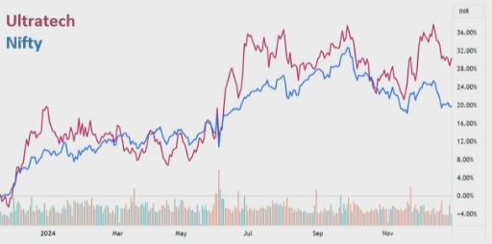

 |  |  |  |  |  |  |  | Shareholders Pattern
 | Product Segments
 | Segment | Share
 | Grey Cement - Domestic | 80%
 | Ready-Mix Concrete | 9%
 | Overseas Business | 5%
 | White Cement | 3%
 | Other | 2%

 |  |  |  |  |  |  |  | Promoters | 59.99%
 |  |  |  |  |  |  |  | Flls | 17.95%
 |  |  |  |  |  |  |  | Dlls | 14.08%
 |  |  |  |  |  |  |  | Public | 7.98%

